Item Definition
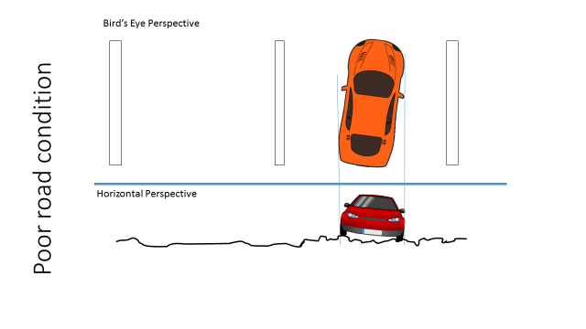
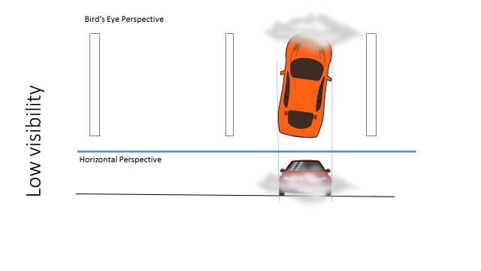
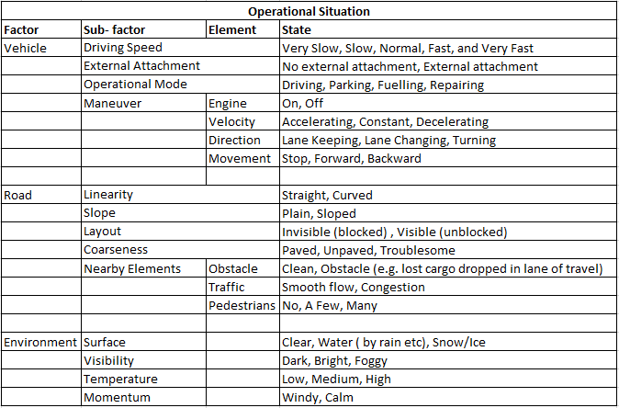
Scenario Number | Driving and Operating Situation |  |  |  |  |  |  |  |  |  |  |  |  |  |  |  |  |  | Exposure
 | Vehicle |  |  |  |  |  |  | Road |  |  |  |  |  |  | Weather
 | Driving Speed | External Attachment | Operational Mode | Maneuver |  |  |  | Linearity | Slope | Layout | Coarseness | Nearby Elements |  |  | Surface | Visibility | Temperature | Momentum
 |  |  |  | Engine | Velocity | Direction | Movement |  |  |  |  | Obstacle | Traffic | Pedestrians
1 | >50 | No | Driving | on | C/A/D | Lane Keeping | forward | Straight | Plain | Visible | paved | Clean | Smooth | No | Clear | Bright | L/M/H | W/C | E4
2 | >50 | No | Driving | on | C/A/D | Lane Keeping | forward | Curved | Plain | Visible | paved | Clean | Smooth | No | Clear | Bright | L/M/H | W/C | E4
3 | >50 | No | Driving | on | C/A/D | Lane Keeping | forward | Straight | Plain | Visible | paved | Clean | Smooth | No | Wet | Bright | L/M/H | W/C | E3
4 | >50 | No | Driving | on | C/A/D | Lane Keeping | forward | Curved | Plain | Visible | paved | Clean | Smooth | No | Wet | Bright | L/M/H | W/C | E3
5 | >50 | No | Driving | on | C/A/D | Lane Changing | forward | Straight/Curved | Plain | Visible | paved | Clean | Smooth | No | Clear | Bright | L/M/H | W/C | E4
6 | >50 | No | Driving | on | C/A/D | Lane Changing | forward | Straight/Curved | Plain | Visible | paved | Clean | Smooth | No | Wet | Bright | L/M/H | W/C | E3
7 | >50 | No | Driving | on | C/A/D | Lane Keeping | forward | Straight/Curved | Plain | Visible | paved | Clean | Congestion | No | Clear/Wet | Bright | L/M/H | W/C | E4
8 | >50 | No | Driving | off | C/A/D | Lane Keeping | forward | Straight/Curved | Plain | Visible | paved | Clean | Smooth | No | Clear/Wet | Bright | L/M/H | W/C | E1
9 | >50 | No | Driving | on | C/A/D | Lane Keeping | forward | Straight/Curved | Plain | Visible | Troublesome | Clean | Smooth | No | Clear/Wet | Bright | L/M/H | W/C | E3
10 | >50 | No | Driving | on | C/A/D | Lane Keeping | forward | Straight/Curved | Plain | Visible | paved | Clean | Smooth | No | Clear | Dark/Foggy | L/M/H | W/C | E3

Scenario 1 | E4 |  |  |  | Scenario 2 | E4 |  |  |  |  | Scenario 3 | E3 |  |  |  |  | Scenario 4 | E3
Driving on a highway |  |  |  |  | Driving on a highway |  |  |  |  |  | Driving on a highway |  |  |  |  |  | Driving on a highway
Vehicle speed >50 kph |  |  |  |  | Vehicle speed >50 kph |  |  |  |  |  | Vehicle speed >50 kph |  |  |  |  |  | Vehicle speed >50 kph
On a straight road (R>1000 m) |  |  |  |  | On a straight road (1000>R>250 m) |  |  |  |  |  | On a straight road (R>1000 m) |  |  |  |  |  | On a straight road (1000>R>250 m)
Sunny weather |  |  |  |  | Sunny weather |  |  |  |  |  | Rainy/snowy weather |  |  |  |  |  | Rainy/snowy weather
Dry road conditions |  |  |  |  | Dry road conditions |  |  |  |  |  | Wet/slippery road conditions |  |  |  |  |  | Wet/slippery road conditions
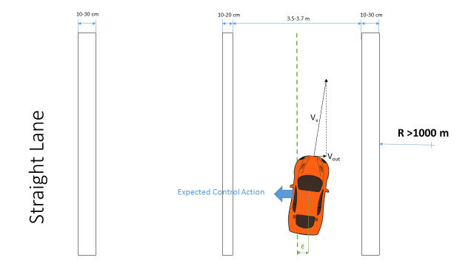
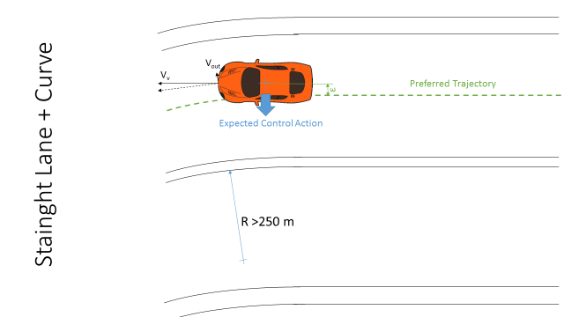

Scenario 5 | E4 |  |  |  | Scenario 6 | E3 |  |  |  |  | Scenario 7 | E4 |  |  |  |  | Scenario 8 | E1
Driving on a highway |  | Overtaking |  |  | Driving on a highway |  |  | Overtaking |  |  | Driving on a highway |  |  |  |  |  | Driving on a highway
Vehicle speed >50 kph |  |  |  |  | Vehicle speed >50 kph |  |  |  |  |  | Vehicle speed >50 kph |  |  |  |  |  | Vehicle speed >50 kph
On a straight road (1000>R>250 m) |  |  |  |  | On a straight road (1000>R>250 m) |  |  |  |  |  | On a straight road (1000>R>250 m) |  |  |  |  |  | On a straight road (1000>R>250 m)
Sunny weather |  |  |  |  | Rainy/snowy weather |  |  |  |  |  | All weather conditions |  |  |  |  |  | Engine off
Dry road conditions |  |  |  |  | Wet/slippery road conditions |  |  |  |  |  | Dry road conditions |  |  |  |  |  | All road conditions |  | All weather conditions
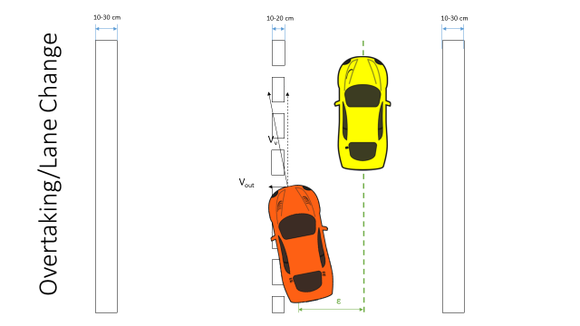
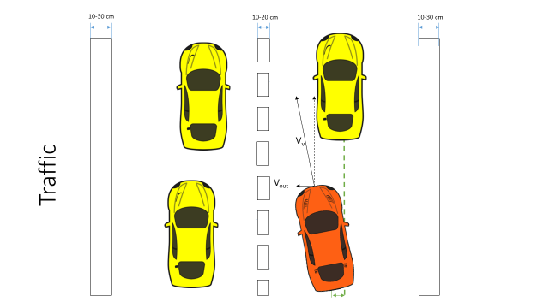
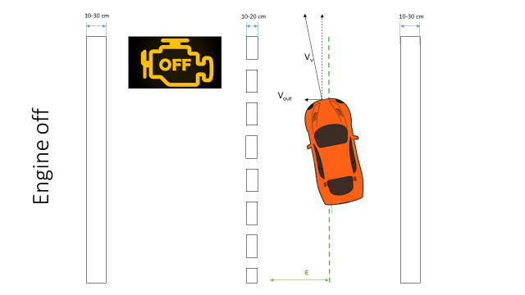

Scenario 9 | E3 |  |  |  |  |  |  |  | Scenario 10 | E3 | Obstruction of View
Driving on a highway |  |  |  |  |  |  |  |  | Driving on a highway
Vehicle speed >50 kph |  |  |  |  |  |  |  |  | Vehicle speed >50 kph
On a straight road (1000>R>250 m) |  |  |  |  |  |  |  |  | On a straight road (1000>R>250 m)
All weather conditions |  |  |  |  |  |  |  |  | Low visibility conditions/View Obstruction by an object
Poor road conditions |  |  |  |  |  |  |  |  | All road conditions |  | All weather conditions

HARA
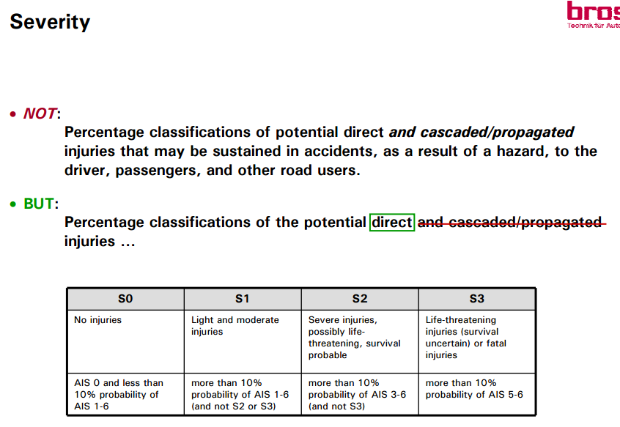
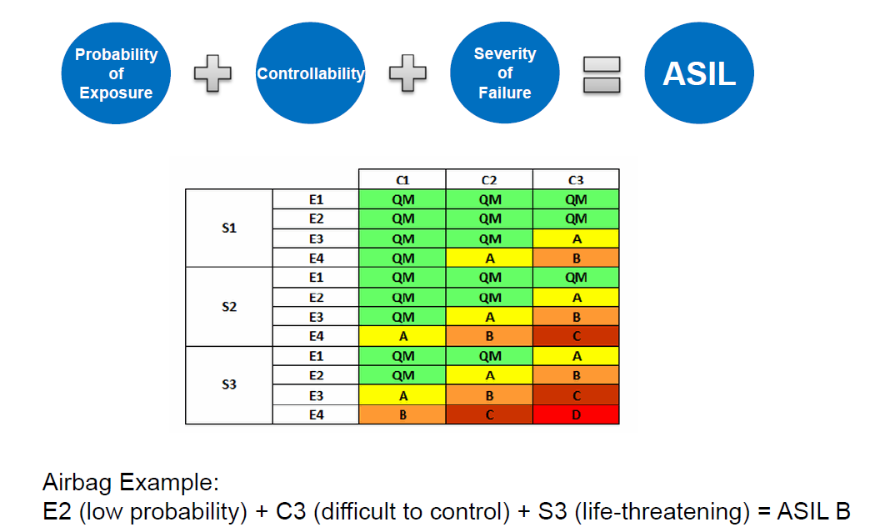
Hazard Analysis and Risk Assessment
Sr. No | Function |  | Hazard | Driving Situation | Effect of failure | Severity | Justification - S | Exposure | Justification - E | Controllability | Justification - C | Resulting ASIL | Safety Goal | Causes
 |  |  |  |  |  | 0-3 |  | 0-4 |  | 0-3
 |  |  |  | Scenario
 | ALKA
 |  | Deactivation | No deactivation when button pressed | 5 | Frontal Collison | S3 | Vel>50 | E4 | Occurs in every drive averagely | C2 |  | C | The system shall deactivate when the deactivation button is pressed.
 |  |  |  | 6 | Frontal Collison | S3 | Vel>50 | E3 | Occurs in every drive averagely | C3 |  | C
 |  |  | Unwanted deactivation | 2,4 | Lateral Collision | S3 | Vel>50 | E4 | Occurs in every drive averagely | C3 |  | D | The system should not deactivate when it is not desired.
 |  |  | Unwanted deactivation | 1,3,7 | Lateral Collision | S3 | Vel>50 | E4 | Occurs in every drive averagely | C1 |  | B
 |  |  | Delayed deactivation (> 0.5s) | 5 | Frontal Collison | S3 | Vel>50 | E4 | Occurs in every drive averagely | C2 |  | C | The system shall deactivat within 0.5sec when the deactivation button is pressed.
 |  |  |  | 6 | Frontal Collison | S3 | Vel>50 | E3 | Occurs in every drive averagely | C3 |  | C
 |  | Warning | No Warning for Unintended Lane Crossing | All |  | S1 |  | E4 |  | C1 |  | QM
 |  |  |  | All |  | S1 |  | E3 |  | C2 |  | QM
 |  |  | Delayed Warning for Unintended Lane Crossing | All |  | S1 |  | E4 |  | C1 |  | QM
 |  |  |  | All |  | S1 |  | E3 |  | C2 |  | QM
 |  |  | False Warning for Unintended Lane Crossing | All |  | S1 |  | E4 |  | C1 |  | QM
 |  |  |  | All |  | S1 |  | E3 |  | C2 |  | QM
 |  |  | No Activation Signal | All
 |  |  | Delayed Activation Signal | All
 |  |  | False Activation Signal | All |  | S1 |  | E4 |  | C1 |  | QM
 |  |  | No Deactivation Signal | All
 |  |  | Delayed Deactivation Signal | All
 |  |  | False Deactivation Signal | All |  | S1 |  | E4 |  | C1 |  | QM
 |  |  | False Lane Detection Signal | All |  | S1 |  | E4 |  | C1 |  | QM
 | LDWS
 |  | On/Off LDWS
 |  | Display status of LDWS on dashboard
 |  | Display warning for Lane departure
 |  | Sound Alarm for lane departure

